Hierarchical Decision Model HDM
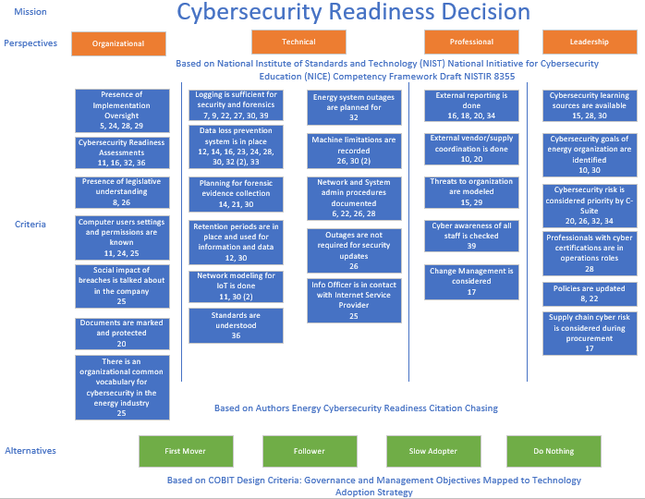

Bibliometric Process
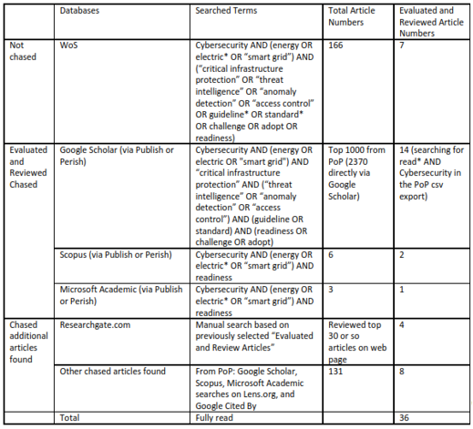
Using Web of Science (webofknowledge.com) and other databases and websites

Perspectives
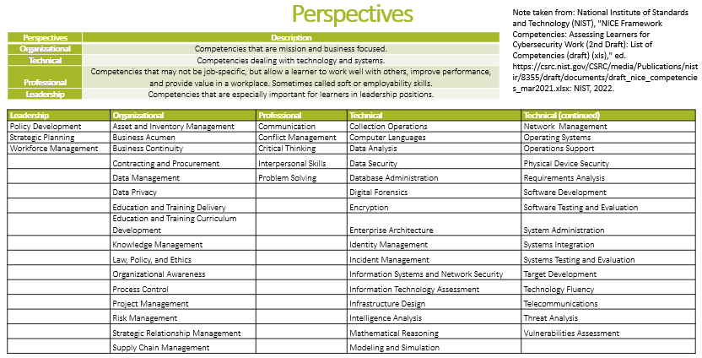

Alternatives
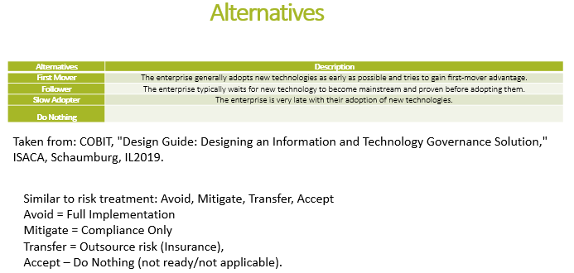

The Control Objectives for Information Technologies (COBIT) Design Criteria references technology adoption in Figure 4.8 on page 40.

